Model
Assembling and testing computers

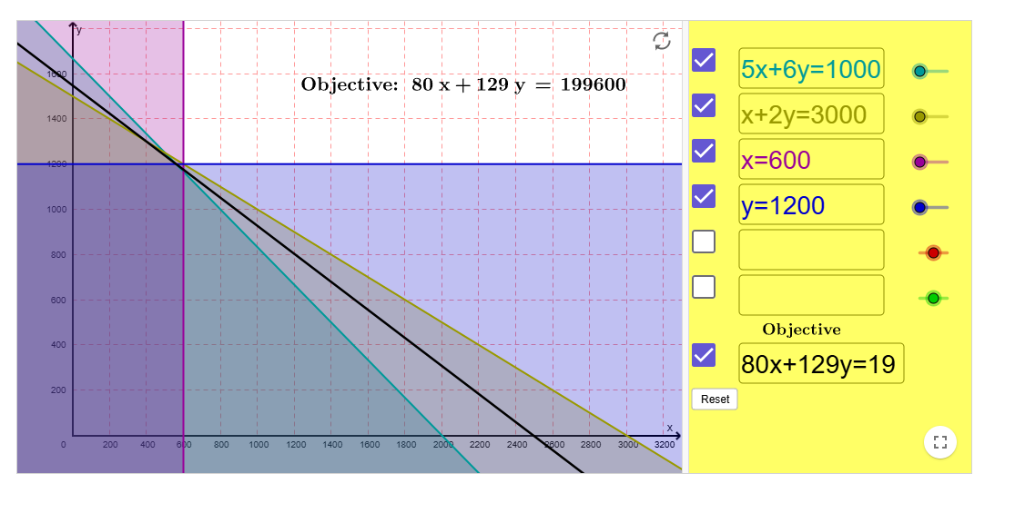
Cost per labor hour assembling | $11
Cost per labor hour testing | $15

Inputs for assembling and testing a computer
 | Basic | XP
Labor hours for assembly | 5 | 6
Labor hours for testing | 1 | 2
Cost of component parts | $150 | $225
Selling price | $300 | $450

Maximum sales | 600 | 1200

Hours available for assembly | 12000
Hours available for testing | 3000
 | Basic | XP
unit margin | $80 | $129

Total profit | 48000 | 154800 | 202800

 | Basic | XP
# of computers to produce | 600 | 1200
 | <= | <=
 | 600 | 1200
 |  |  | Total houres
Labor hours use for assembly | 3000 | 7200 | 10200 | <= | 12000
Labor hours use for testing | 600 | 2400 | 3000 | <= | 3000

STS_7
One-way analysis for Solver model in Model worksheet |  |  | Sensitivity of $D$22 to Hours available for assembly line

When you select an output from the dropdown list in cell $K$4, the chart will adapt to that output.
Hours available for assembly line (cell $B$16) values along side, output cell(s) along top |  |  | Data for chart
 | $D$22 | 1 | $D$22
10000 | 199600 |  | 199600
10500 | 202800 |  | 202800
11000 | 202800 |  | 202800
11500 | 202800 |  | 202800
12000 | 202800 |  | 202800
12500 | 202800 |  | 202800
13000 | 202800 |  | 202800
13500 | 202800 |  | 202800
14000 | 202800 |  | 202800

Sensitivity of $D$22 to Hours available for assembly line

STS_1
One-way analysis for Solver model in Model worksheet |  |  | Sensitivity of $D$22 to selling price

When you select an output from the dropdown list in cell $K$4, the chart will adapt to that output.
selling price (cell $C$11) values along side, output cell(s) along top |  |  | Data for chart
 | $D$22 | 1 | $D$22
$300 | 48000 |  | 48000
$350 | 82800 |  | 82800
$400 | 142800 |  | 142800
$450 | 202800 |  | 202800
$500 | 262800 |  | 262800
$550 | 322800 |  | 322800
$600 | 382800 |  | 382800

Sensitivity of $D$22 to selling price

